1. Title Page
Project Name: Instacart Grocery Basket Analysis
Date: August 2, 2024
Analyst Name: Jeffrey Frankenfeld

Contents:
Population Flow
Consistency checks
Wrangling steps
Column derivations
Visualizations
Recommendations

Context:
The instacart stakeholders are most interested in the variety of customers in their database along with their purchasing behaviors. They assume they can't target everyone using the same methods, and they're considering a targeted marketing strategy. They want to target different customers with applicable maketing campaigns to see whether they have an effect on the sale of their products. My analysis will inform what this strategy might look like to ensure Instacart targets the right customer profiles with the appropriate products. The stakeholders would like to be able to answer the following key questions.

Questions
1. The sales team needs to know what the busiest days of the week are and hours of the day are (i.e., the days and times with the most orders) in order to schedule ads at times when there are fewer orders.

2. They also want to know whether there are particular times of the day when people spend the most money, as this might inform the type of products they advertise at these times.

3. Instacart has a lot of products with different price tags. Marketing and sales want to use simpler price range groupings to help direct their efforts.

4. Are there certain types of products that are more popular than others? The marketing and sales teams want to know which departments have the highest frequency of product orders.

5. The marketing and sales teams are particularly interested in the different types of customers in their system and how their ordering behaviors differ. - What's the distribution among users in regards to their brand loyalty? (i.e., how often do they return to instacart?) - Are there differences in ordering habits based on a customer's loyalty status? - Are there differences in ordering habits based on a customer's region? - Is there a connection between age and family status in terms of ordering habits?

6. What different classifications does the demographic information suggest? Age? Income? Certain types of goods? Family status?

7. What differences can you find in ordering habits of different customer profiles? Consider the price of orders, the frequency of orders, the products customers are ordering, and anything else you can think of.

Data Citation
Instacart Market basket analysis. (2017, November 20). Kaggle. https://www.kaggle.com/datasets/psparks/instacart-market-basket-analysis/data

The customer data and "prices" column from the dataset are fabricated for the purpose of this project

2. Population Flow
Title page

Population flow

Exclusion flag
Condition: max_order <
Obervations to be removed:
Final total count of order_products_all:

Orders_products_combined
Orders_products_merged
Orders_products_all

Total: 32404859
Total: 32434489
Total: 32404859

1.) The grey boxes in the first row of the population flow represent the original data sets as they were when you downloaded them. In the Total fields you need to add the count of the rows when you imported the data set into Jupyter.
2.) The second row of boxes (coloured) represents the data sets after you manipulated them, e.g., removed missing values and duplicates. In the Total fields you need to add the count of the rows after conducting these operations. This offers a visual oveview of how the data flows throughout the data consistency checks.
3.) The third row, where also the arrows are coloured, represents the merges you performed between the datasets. In the Total fields you need to add the count of the rows in the merged datasets, so that you end up with the final dataset (in the red box). Keep in mind the final dataset should be without exclusions (based on the exclusion flag).

3. Consistency checks
 |  |  |  | Title page
Consistency checks

Dataset | Missing values | Missing values treatment | Duplicates
orders | 206,209 missing 'days_since_prior_order' values | 206,209 missing values indicate user's first order being placed. The null value is being left as is to denote user's first order. | N/A
products | 16 missing product names. 'NaN' was in the 'product_name' column | Removed 16 products with missing 'product_name' | Removed 5 duplicates
orders_products_prior | N/A | N/A | N/A
customers | 11,259 missing 'first_name' values in 'customers.csv' dataframe | Left fields blank as these missing values are not detrimental to the analysis | N/A

4. Wrangling steps
 |  |  |  | Title page
Wrangling steps

Columns dropped | Columns renamed | Columns' type changed | Comment/Reason
Removed the 'eval_set' coumn from 'orders.csv' database |  |  | eval_set' provided no valuable information
 | Updated 'order_dow' column to 'order_day_of_week' from 'orders.csv' database |  | Updated the column to a more intuitive, self-explanatory name
 |  | Changed 'product_id' column from 'int64' to 'int32' in the 'order_products_merge.pkl' dataframe | This decreased memory usage in dataframe
 |  | Changed 'aisle_id' column from 'int64' to 'int32' in the 'order_products_merge.pkl' dataframe | This decreased memory usage in dataframe
 |  | Changed 'department_id' column from 'int64' to 'int32' in the 'order_products_merge.pkl' dataframe | This decreased memory usage in dataframe
 |  | Changed 'order_id' column from 'int64' to 'int32' in the 'order_products_merge.pkl' dataframe | This decreased memory usage in dataframe
 |  | Changed 'user_id' column from 'int64' to 'int32' in the 'order_products_merge.pkl' dataframe | This decreased memory usage in dataframe
 |  | Changed 'prices' column from 'int64' to 'int32' in the 'order_products_merge.pkl' dataframe | This decreased memory usage in dataframe
 |  | Changed 'order_number' column from 'int64' to 'int32' in the 'order_products_merge.pkl' dataframe | This decreased memory usage in dataframe
 |  | Changed 'order_day_of_week' column from 'int64' to 'int32' in the 'order_products_merge.pkl' dataframe | This decreased memory usage in dataframe
 |  | Changed 'order_hour_of_day' column from 'int64' to 'int32' in the 'order_products_merge.pkl' dataframe | This decreased memory usage in dataframe
 |  | Changed 'days_since_prior_order' column from 'int64' to 'int32' in the 'order_products_merge.pkl' dataframe | This decreased memory usage in dataframe
 |  | Changed 'add_to_cart_order' column from 'int64' to 'int32' in the 'order_products_merge.pkl' dataframe | This decreased memory usage in dataframe
 |  | Changed 'reordered' column from 'int64' to 'int32' in the 'order_products_merge.pkl' dataframe | This decreased memory usage in dataframe
 | Updated 'First Name' column to 'first_name' in the 'customers.csv' dataframe |  | Updated to match the format of column headers in main dataframe
 | Updated 'Surname' column to 'last_name' in the 'customers.csv' dataframe |  | Updated to match the format of column headers in main dataframe
 | Updated 'Gender' column to 'gender' in the 'customers.csv' dataframe |  | Updated to match the format of column headers in main dataframe
 | Updated 'STATE' column to 'state' in the 'customers.csv' dataframe |  | Updated to match the format of column headers in main dataframe
 | Updated 'Age' column to 'age' in the 'customers.csv' dataframe |  | Updated to match the format of column headers in main dataframe
 |  | Changed 'user_id' column from 'int64' to 'int32' in the 'customers.csv' dataframe | This decreased memory usage in dataframe
 |  | Changed 'age' column from 'int64' to 'int32' in the 'customers.csv' dataframe | This decreased memory usage in dataframe
 |  | Changed 'n_dependants' column from 'int64' to 'int32' in the 'customers.csv' dataframe | This decreased memory usage in dataframe
 |  | Changed 'income' column from 'int64' to 'int32' in the 'customers.csv' dataframe | This decreased memory usage in dataframe
Removed the "_merge" column from the 'orders_products_merged' dataframe as it is not needed after the merge
Removed the "_merge" column from the 'orders_products_all' dataframe as it is not needed after the merge with the 'customers.csv' file
Removed the "first_name" and "last_name" columns from the 'orders_products_all.pkl' dataframe to address security implications

5. Column derivations
 |  |  |  |  | Title page

Column derivations and aggregations

In this tab you should add tables below that the frequences of flags/label variables that you produced after deriving them. NB: don't do this for continuous variables, only for flags.
Dataset | New column | Column/s it was derived from | Conditions | Alternative Conditions
orders_products_merge | price_range_loc | prices | # If-statement with user-defined function def price_label(row): if row['prices'] <= 5: return 'Low-range product' elif (row['prices'] > 5) and (row['prices'] <= 15): return 'Mid-range product' elif row['prices'] > 15: return 'High range' else: return 'Not enough data' | # If-statement with the loc() function df.loc[df['prices'] > 15, 'price_range_loc'] = 'High-range product' df.loc[(df['prices'] <= 15) & (df['prices'] > 5), 'price_range_loc'] = 'Mid-range product' df.loc[df['prices'] <= 5, 'price_range_loc'] = 'Low-range product'
 | busiest_day | order_day_of_week | # If-statement with For-Loops result = [] for value in ords_prods_merge["order_day_of_week"]: if value == 0: result.append("Busiest day") elif value == 4: result.append("Least busy") else: result.append("Regularly busy")
 | busiest_days | order_day_of_week | # If-statement with For-Loops result_2 = [] for value in ords_prods_merge["order_day_of_week"]: if value == 0 or value == 1: result_2.append("Busiest days") elif value == 3 or value == 4: result_2.append("Least busy days") else: result_2.append("Regularly busy")
 | busiest_period_of_day | order_hour_of_day | # If-statement with For-Loops result_3 = [] for value in ords_prods_merge["order_hour_of_day"]: if value in [10,11,14,15,13,12,16,9]: result_3.append("Most orders") elif value in [17,8,18,19,20,7,21,22]: result_3.append("Average orders") else: result_3.append("Fewest orders")
 | max_order | Grouping the "order_number" column by "user_id" and using the transform() function to aggregate into the maximum amount of orders per user. | # creating the "max_order" column ords_prods_merge['max_order'] = ords_prods_merge.groupby(['user_id'])['order_number'].transform(np.max)
 | loyalty_flag | max_order | # assigning loyalty flags ords_prods_merge.loc[ords_prods_merge['max_order'] > 40, 'loyalty_flag'] = 'Loyal customer' ords_prods_merge.loc[(ords_prods_merge['max_order'] <= 40) & (ords_prods_merge['max_order'] > 10), 'loyalty_flag'] = 'Regular customer' ords_prods_merge.loc[ords_prods_merge['max_order'] <= 10, 'loyalty_flag'] = 'New customer'
 | average_spend | Grouping the "prices" column by "user_id" and using the transform() function to aggregate into the average amount spent per user. | # creating "average_spend" column ords_prods_merge['average_spend'] = ords_prods_merge.groupby(['user_id'])['prices'].transform(np.mean)
 | spending_flag | average_spend | # assigning loyalty flags ords_prods_merge.loc[ords_prods_merge['average_spend'] < 10, 'spending_flag'] = 'Low spender' ords_prods_merge.loc[ords_prods_merge['average_spend'] >= 10, 'spending_flag'] = 'High spender'
 | customer_frequency | Grouping the "days_since_prior_order" column by "user_id" and using the transform() function to aggregate into the median days since the user's last order. | # creating "customer_frequency" column ords_prods_merge['customer_frequency'] = ords_prods_merge.groupby(['user_id'])['days_since_prior_order'].transform(np.median)
 | frequency_flag | customer_frequency | # assigning loyalty flags ords_prods_merge.loc[ords_prods_merge['customer_frequency'] > 20, 'frequency_flag'] = 'Non-frequent customer' ords_prods_merge.loc[(ords_prods_merge['customer_frequency'] <= 20) & (ords_prods_merge['customer_frequency'] > 10), 'frequency_flag'] = 'Regular customer' ords_prods_merge.loc[ords_prods_merge['customer_frequency'] <= 10, 'frequency_flag'] = 'Frequent customer'
orders_products_all | region | state | # creating the Northeast region northeast_region = ['Maine', 'New Hampshire', 'Vermont', 'Massachusetts', 'Rhode Island', 'Connecticut', 'New York', 'Pennsylvania', 'New Jersey'] # creating the Midwest region midwest_region = ['Wisconsin', 'Michigan', 'Illinois', 'Indiana', 'Ohio', 'North Dakota', 'South Dakota', 'Nebraska', 'Kansas', 'Minnesota', 'Iowa', 'Missouri'] # creating the South region south_region = ['Delaware', 'Maryland', 'District of Columbia', 'Virginia', 'West Virginia', 'North Carolina', 'South Carolina', 'Georgia', 'Florida', 'Kentucky', 'Tennessee', 'Mississippi', 'Alabama', 'Oklahoma', 'Texas', 'Arkansas', 'Louisiana'] # creating the West region west_region = ['Idaho', 'Montana', 'Wyoming', 'Nevada', 'Utah', 'Colorado', 'Arizona', 'New Mexico', 'Alaska', 'Washington', 'Oregon', 'California', 'Hawaii'] # creating "region" column ords_prods_all.loc[ords_prods_all['state'].isin(northeast_region), 'region'] = 'northeast' ords_prods_all.loc[ords_prods_all['state'].isin(midwest_region), 'region'] = 'midwest' ords_prods_all.loc[ords_prods_all['state'].isin(south_region), 'region'] = 'south' ords_prods_all.loc[ords_prods_all['state'].isin(west_region), 'region'] = 'west'
 | exclusion_flag | max_order | # assigning loyalty flags ords_prods_all.loc[ords_prods_all['max_order'] >= 5, 'exclusion_flag'] = 'include' ords_prods_all.loc[ords_prods_all['max_order'] < 5, 'exclusion_flag'] = 'exclude'
orders_products_all_v2 | age_group | age | # creating age_group" column ords_prods_all.loc[ords_prods_all['age'] <= 29, 'age_group'] = 'young_adult' ords_prods_all.loc[(ords_prods_all['age'] > 29) & (ords_prods_all['age'] <= 49), 'age_group'] = 'adult' ords_prods_all.loc[(ords_prods_all['age'] > 49) & (ords_prods_all['age'] <= 64), 'age_group'] = 'older_adult' ords_prods_all.loc[ords_prods_all['age'] > 64, 'age_group'] = 'senior'
 | income_group | income | # creating "income_group" column ords_prods_all.loc[ords_prods_all['income'] <= 50000, 'income_group'] = 'low' ords_prods_all.loc[(ords_prods_all['income'] > 50000) & (ords_prods_all['income'] <= 100000), 'income_group'] = 'middle' ords_prods_all.loc[ords_prods_all['income'] > 100000, 'income_group'] = 'upper'
 | dependents_group | n_dependants | # creating "dependents_group" column ords_prods_all.loc[ords_prods_all['n_dependants'] == 0, 'dependents_group'] = 'no_dependents' ords_prods_all.loc[ords_prods_all['n_dependants'] > 0, 'dependents_group'] = 'has_dependents'
 | baby_or_pet | department_id | # creating a loop statement result = [] for value in ords_prods_all["department_id"]: if value == 18: result.append("baby_purchase") elif value == 8: result.append("pet_purchase") else: result.append("neither") # creating "baby_or_pet" column based on results above ords_prods_all['baby_or_pet'] = result
orders_products_all_v3 | department | "departments_wrangled.pkl" database | # creating data dictionary data_dict = df_dep.to_dict('index') # connecting department names to main dataframe ords_prods_all['department'] = ords_prods_all['department_id'].map(lambda x: data_dict[str(x)]['department'])

6. Visualizations
 |  |  |  |  | Title page

Visualisations

In this tab you should include all the visualtions from Exercises 4.9 and 4.10, alongside the questions from the project brief that they answer. Include any commentary on the relationship between different variables.

Key Question 1:
The sales team needs to know what the busiest days of the week are and hours of the day are (i.e., the days and times with the most orders) in order to schedule ads at times when there are fewer orders.

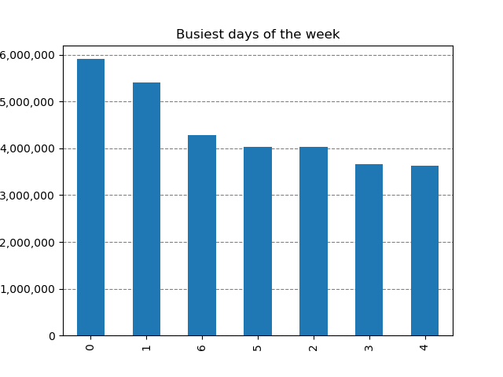


 | The busiest day of the week is Saturday, followed by Sunday. |  | The busiest time of day where the most orders are placed is between 10am and 3pm.

 | Targeted Marketing Campaigns Action: Develop and deploy targeted marketing campaigns (paid ads, email, etc.) focused on the weekdays, between open to 10am and 3pm to close because these are the slower times of the day and there is an opportunity to increase orders during these times and days. Implementation 1. Email Campaign or Push Notification: Schedule emails or push notifications to be sent out early weekday mornings (8am) with messaging around quicker order delivery before 10am and after 3pm to maximize customer awareness before peak hours. It can be assumed most individuals check their emails in the morning and by notifying a customer during the early time of day, it will remind the customer to go shopping later in the day. 2. Social Media Ads: Launch ad campaigns timed for early-mornings and late afternoon / evening on weekdays.

Key Question 2:
They also want to know whether there are particular times of the day when people spend the most money, as this might inform the type of products they advertise at these times.

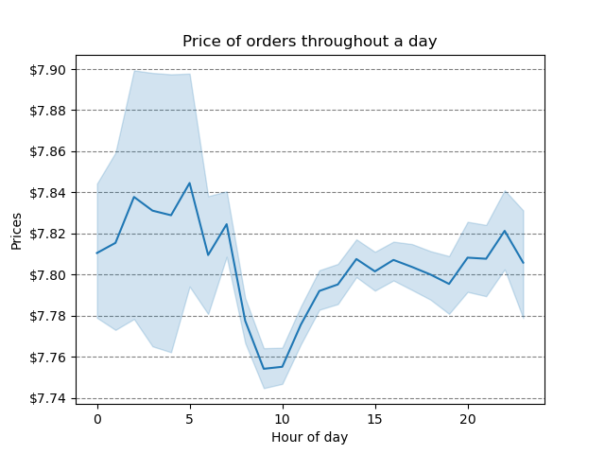

 |  |  | Early Morning Hours (Midnight - 6am): This is where we are seeing the highest average price per order. To note, the error bands are the largest here, meaning there are fewer orders during this time period compared to the other time periods.

 |  |  | Morning Hours (7am - 12pm): This is where we are seeing the lowest average price per order.

 |  |  | Afternoon Hours (1pm - 5pm): This is the time of day where the average price per order remains the most steady at ~$7.80.

 |  |  | Evening Hours (6pm - 11pm): Slight increase compared to the afternoon hours, but a bit more fluctuant.

Targeted Marketing Campaigns Early morning hours (midnight - 6am) 1. Late-Night Indulgence Promos: Highlight products that cater to late-night cravings or indulgences, such as gourmet snacks, desserts, and premium beverages, with special promotions on these products during these hours. 2. Targeted Ads for Night Owls: Use data to identify night-time shoppers and target them with ads that feature higher-end products or limited-time offers tailored to their purchasing habits. Morning hours (7am - 12pm) 1. Morning Essentials Campaign: Promote everyday essentials like coffee, breakfast items, and fresh produce during these hours. Bundle these items with slight discounts to encourage larger purchases. 2. Flash Sales on Morning Basics: Run morning-specific flash sales on products like cereals, dairy, and fruits to drive quick purchases and increase average order value. Implementation 1. Time-based segmentation: Segment customers based on their shopping times and create personalized marketing messages that align with their typical purchasing behaviors during these periods. 2. Push Notifications: Schedule push notifications to go out during the midnight and morning hours, featuring products or promotions that match the time-specific shopping behaviors. 3. Dynamic In-App Banners: Implement dynamic in-app banners that change based on the time of day, promoting relevant products or deals for that specific time frame.

Key Question 3:
Instacart has a lot of products with different price tags. Marketing and sales want to use simpler price range groupings to help direct their efforts.

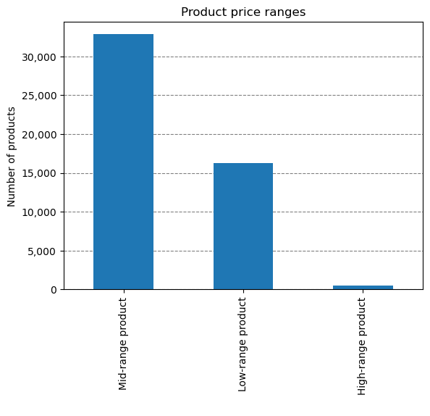
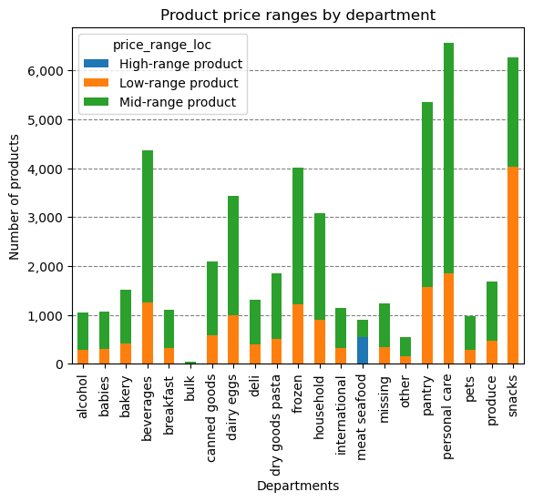
 |  |  |  |  |  | **I removed duplicate product id's to have distinct values as I felt this number represented the values more accurately. Mid-range products: Mid-range products take up the majority of products in the instacart database. Pantry, personal care, and beverages contribute to a large share of the products in this range. Low-range products: Low-range products come in second with snacks having the highest portion of products in that range. High-range products: High-range products have the fewest products in this range, where the meat and seafood contributes greatly to this range.

Targeted Marketing Campaigns 1. High-range products: - Bundle Offers to create product bundles that include a high-range product with complementary mid or low-range items at a slight discount. - Loyalty Program Incentives: Offer loyalty points or cashback for purchasing high-range products, redeemable on future purchases. 2. Low-range products: - Add-On Suggestions: When customers are about to check out, suggest low-range products like the items you would see in the check-out aisle at a store. - Buy More, Save More: Offer volume discounts on low-range products, incentivizing customers to buy multiple items. 3. Mid-range products: - Weekly Deals and Discounts: Offer limited-time discounts on mid-range products, especially on items that customers regularly buy. Implementation: 1. Email Campaigns: Design targeted email campaigns that offer personalized promotions based on a customer’s past purchase behavior, focusing on the price range they tend to shop in. 2. Brand Partnerships: Collaborate with premium brands to promote high-range products and highlight their unique value propositions.

Key Question 4:
Are there certain types of products that are more popular than others? The marketing and sales teams want to know which departments have the highest frequency of product orders.

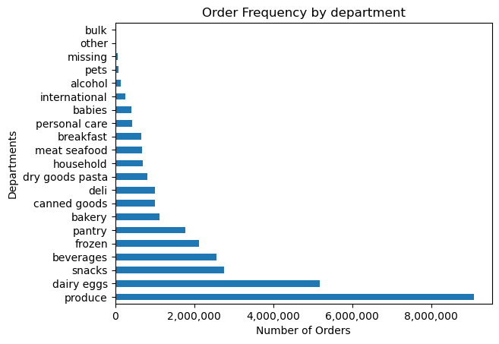 |  |  |  | 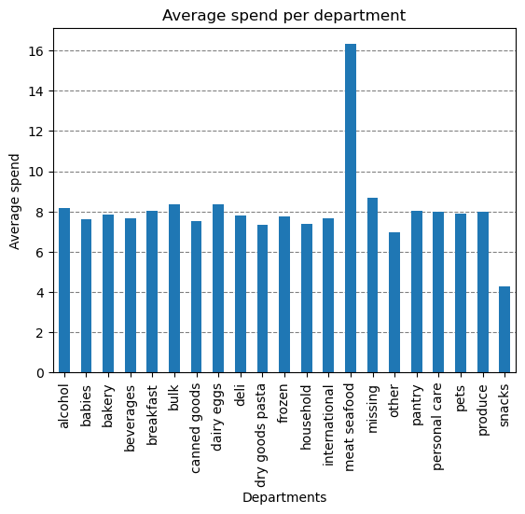 |  | Produce has the most orders in the database, followed by dairy and eggs. Coming in at the lowest are bulk items, other, pets, and alcohol. The visual on the right is interesting. It shows that the meat and seafood category is a department that is bringing in double in average spend compared to the other departments.

Targeted Marketing Campaigns 1. Produce, Dairy & Eggs, Snacks, and Beverages - Recipe Integration: Feature recipes within the app that incorporate produce, dairy, and beverages since these are the top performing departments, with easy add-to-cart options for all ingredients. 2. Meat and Seafood - Meat alternative Taste Test Campaigns: Encourage customers to try meat alternatives by offering discounts or free samples with their purchase. Use testimonials or endorsements from chefs or influencers to validate the taste and quality of these products. - Meat alternative Ethically Sourced Products: Highlight brands that focus on sustainable practices and ethical sourcing. These products are typically a higher price point so could bring in more spend by promoting these brands. 3. Lesser purchased departments (bulk, pets and alcohol) - Bulk Savings Campaign: Promote the cost savings and convenience of purchasing bulk items, particularly for families or frequent shoppers. Highlight the long-term savings and ease of stocking up on essentials. -Alcohol Pairing Promotions: Promote alcohol as part of a pairing with other categories (such as wine, cheese, and snacks) to encourage cross-category purchasing. Offer discounts on alcohol when paired with other items. Implementation: - Exclusive Brand Collaborations: Partner with popular or premium brands within these categories to offer exclusive products or limited-time promotions, increasing visibility and appeal. - Social Media Campaigns: Partner with social media influencers to showcase recipes, pet care tips, bulk item benefits, and pairing suggestions, linking back to Instacart for easy purchasing. - Incentivized Reviews: Encourage customers to leave reviews for products in these lesser-purchased categories by offering small discounts or loyalty points, helping to build product trust.

Key Question 5:
The marketing and sales teams are particularly interested in the different types of customers in their system and how their ordering behaviors differ. - What's the distribution among users in regards to their brand loyalty? (i.e., how often do they return to instacart?) - Are there differences in ordering habits based on a customer's loyalty status? - Are there differences in ordering habits based on a customer's region? - Is there a connection between age and family status in terms of ordering habits?

Brand Loyalty |  |  |  | Customer Frequency
 |  |  |  |  |  |  |  | Regional Information
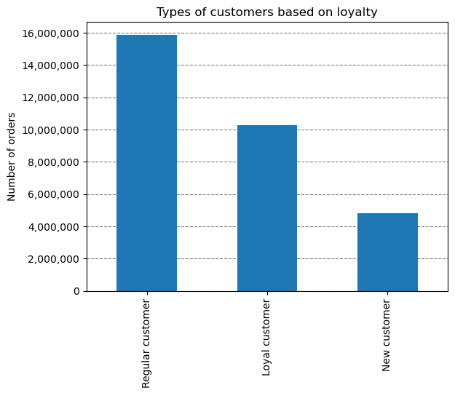
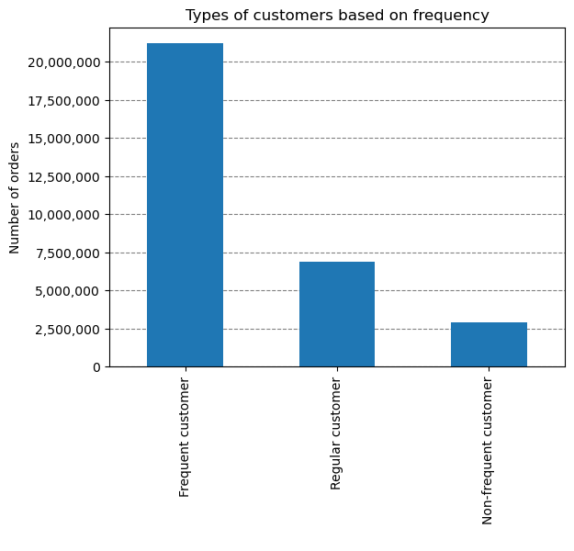
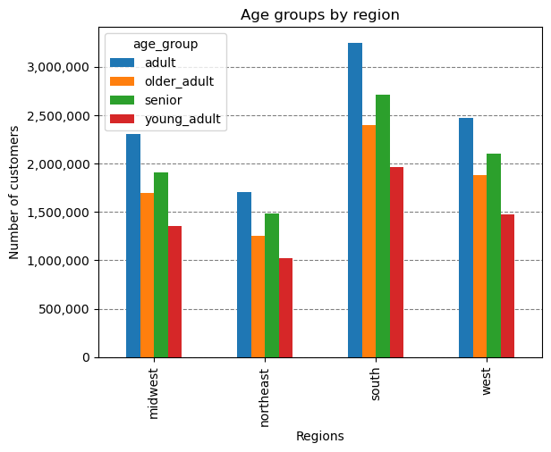
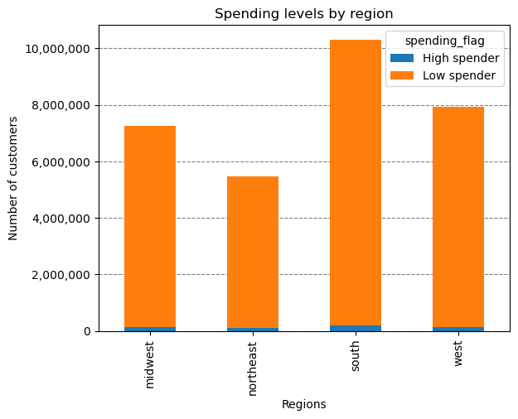
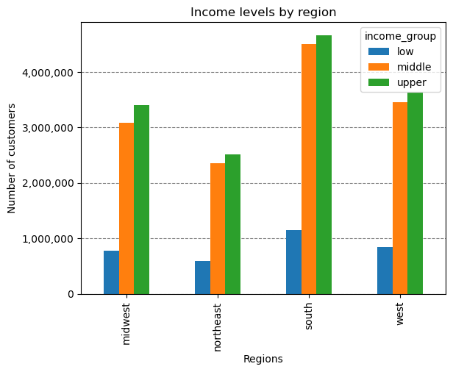

Regular customers contribute to the majority of orders, followed by Loyal, then New. |  |  |  | Customers that place orders every ten days or less place the vast amount of orders. |  |  |  | The region with the most spenders is the south region in both the High and Low category. Coming in with the least amount of High and Low spenders is the northeast region. This is not surpising because the south has the most customers in the dataframe whereas the northeast has the least amount of customers in the dataframe. In the age-group chart, adults count for the most amount of customer and young adults count for the least amount of customers. This is static across all regions. In the income-group chart, the upper class counts for the most amount of customers and low income counts for the least amount of customers. This is static across all regions.
Age Group and Family Status

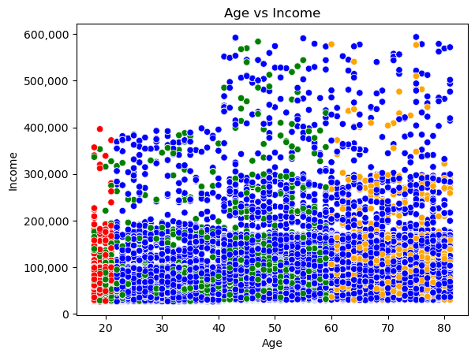
 |  | blue: married red: living with parents and siblings green: single orange: divorced / widowned

 |  | Based on the scatterplot above, as one gets older their income increases. Between ages 18 and 39, the income is lower. Beginning at the age of 40, there is an increase in ones income. This can be helpful for targeted marketing where ads containing higher price points can be pushed to users 40 and above. Conversely, ads containing lower price points can be pushed to users less than 40 years of age. The different colors shown indicate ones family status. Individuals that live with their parents or siblings have the lowest income. Individuals that are married or divorced/widowed fall in the higher income end. The biggest thing to point out here is that if you are married, you tend to have the largest purchasing power.

Targeted Marketing Campaigns 1. Increase spending for High Spenders: - VIP Membership or Loyalty Program: Introduce a VIP tier within the loyalty program specifically for high spenders, offering benefits such as free delivery, higher loyalty points, or special offers on premium items. 2. Increase spending in young adults: - Trend-Driven Campaigns: Promote trendy, in-demand products, such as organic snacks, plant-based foods, and ready-to-eat meals, to appeal to young adults. Highlight these items in dedicated sections like “Trending Now” or “Top Picks for Young Adults.” - Student Discounts and Promotions: Introduce student discounts or special promotions that target young adults who may still be in school or recently graduated, making shopping more affordable. 3. Increase spending in low-income groups - Value Pack Campaigns: Promote value packs or bulk items that offer significant savings compared to individual purchases. Highlight these options in a “Best Value” section within the app. - Flexible Payment Options: Introduce or promote flexible payment options, such as installment plans or partnerships with payment services that allow for deferred payments, making larger purchases more manageable. - Loyalty Rewards: Increase loyalty points on low-cost items and essential purchases, enabling low-income customers to accumulate points faster and redeem them for discounts on future purchases. 4. Support your base customer, which is the 'married' user - Family Meal Kits and Bundles: Promote meal kits and bundles designed for families, offering a variety of ingredients or ready-to-eat meals that cater to different tastes and dietary needs within a household. - Anniversary and Milestone Offers: Offer special discounts or rewards for couples on their anniversaries or other milestones. This could include discounts on premium items like wine, gourmet food, or home decor. Implementation: - Email, SMS and Social Media Campaigns: Develop email, SMS and social medi

Key Question 6:
What different classifications does the demographic information suggest? Age? Income? Certain types of goods? Family status?

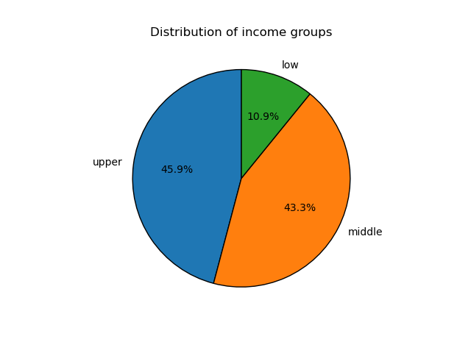
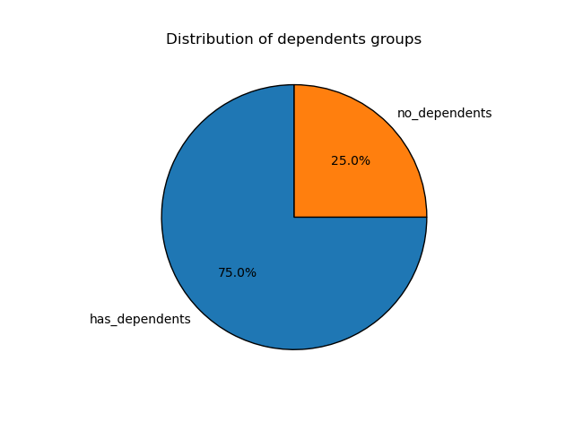
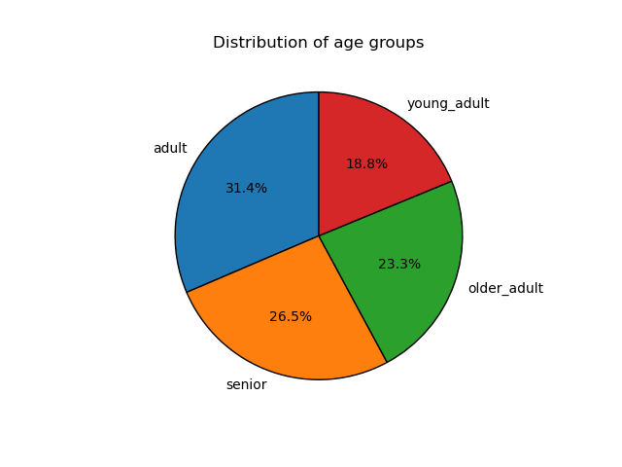

Majority of users are adults (30 - 49) and lowest amount of users are young adults (29 or younger). |  |  | Majority of users fall in the upper income class, with the low class having the smallest share. |  |  |  | Vast majority of users have dependents.

Targeted Marketing Campaigns 1. Young adults and low income groups were already addressed in question 5 2. Individuals with no dependents - “Single Serve” and “Meal for One” Promotions: Highlight products that are tailored for single servings, such as ready-to-eat meals, snack packs, and individual portions of fresh produce. Create a “Meals for One” section within the app featuring these products. - Weekend Treats: Run weekend promotions on indulgent items like desserts, gourmet snacks, or premium beverages, positioning them as a reward for a busy week. Implementation - Social Media Campaigns: Leverage social media platforms to reach individuals without dependents, using targeted ads that highlight the convenience and variety available on Instacart. Include shoppable links that direct users to specific product collections within the app.

Key Question 7:
What differences can you find in ordering habits of different customer profiles? Consider the price of orders, the frequency of orders, the products customers are ordering, and anything else you can think of.

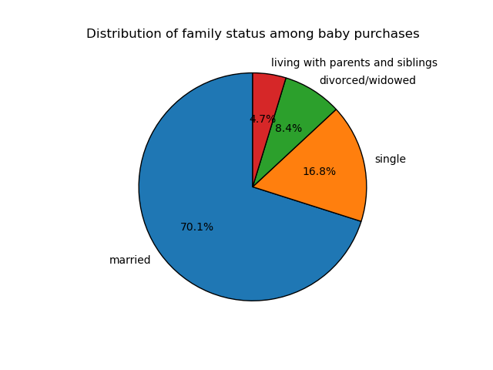


 | Most baby purchases were made by married users. |  |  | Most pet purchases were made by married user. These two visuals highlight the spending power married couples have, especially the older they get.

 | Targeted Marketing Campaigns 1. Pet product purchasers - Seasonal Pet Care Campaigns: Run seasonal campaigns focusing on specific pet care needs, such as flea and tick prevention in summer or paw care products in winter. Include educational content and tips to enhance the value of these campaigns. 2. Baby product purchasers - “Baby Essentials” Subscription Service: Offer a subscription service for essential baby products like diapers, wipes, and formula. Provide discounts or loyalty points for subscribing, making it easier for parents to maintain a consistent supply. - Child Growth Recommendations: Implement a feature that suggests products based on the baby’s growth stages, such as transitioning from formula to solid foods or moving from diapers to training pants. Implementation - Email and SMS Campaigns: Develop email and SMS campaigns targeting pet owners or young adults with babies. These campaigns could include personalized recommendations and special offers. - Veterinary and Pet Service Partnerships: Collaborate with veterinarians and pet services (e.g., grooming, boarding) to offer discounts or joint promotions. This could include in-app content like vet or grooming tips. - Pediatric and Health Service Partnerships: Collaborate with pediatricians and child health services to offer discounts or joint promotions. This could include in-app content like health tips or special offers on baby wellness products.

7. Recommendations
 |  |  | Title page

Recommendations

In this tab you should include any recommendations you would made to Instcart in terms of their marketing strategy based on the questions posed in the brief. Every key question has been covered in the Tasks of the Exercises - here you need to add an item - a visualisation or table/crosstable that is showing the answer in the data, acompanied by a comment from you. Please, list the questions below and add the answer underneath.

Question |  | Answer
Key Question 1 | The sales team needs to know what the busiest days of the week are and hours of the day are (i.e., the days and times with the most orders) in order to schedule ads at times when there are fewer orders. | The busiest days of the weeks are Saturday and Sunday. The busiest hours of any day of the week is 10am to 3pm. It would be recommended to implement marketing campaigns that are ran during the weekdays during the slower hours (open to 10am and 3pm to close) to help increase orders during these slower days / times therefore also increasing revenue. The marketing campaign could include emails, digital banner ads, push notifications and paid social. It is expected that engagement in these campaigns would be higher than implementing a campaign during the weekends when people are less likely to be checking email and browsing online. The messaging of this campaign could promote quicker delivery time when ordering during the slower hours.
Key Question 2 | They also want to know whether there are particular times of the day when people spend the most money, as this might inform the type of products they advertise at these times. | The time of day with the highest average price per order is in the early morning hours between midnight and 6am. The time of day with the lowest average price per order is in the morning hours between 7am and 12pm. It is recommended to run marketing campaigns for those two time periods. In the early morning hours, focusing on late-night indulgence promos such as gourmet snacks, desserts or premium beverages. For the morning hours, have campaigns that promote the everyday essentials like coffee, breakfast foods, and produce. Instacart can even bundle morning items for a discounted rate to encourage a larger order. For implementation, segment customers based on their shopping times and have personal push notifications to differentiate the early morning and morning time frames.
Key Question 3 | Instacart has a lot of products with different price tags. Marketing and sales want to use simpler price range groupings to help direct their efforts. | Mid-range products take up the majority of products in the Instacart database, where pantry, personal care, and beverages contribute to a large share. Low-range products come in second with snacks having the highest portion of products in that range. High-range products have the fewest products, where meat and seafood contributes greatly to this range. It is recommended to having different campaigns per range to capitalize on the mid-range products success and increase the purchasing of low- and high-range products. For high range products, develop bundling offers that include a high-range product with a common mid-range product at a discount. Or develop a loyalty program that will provide cashback or loyalty points for purchasing the higher dollar products. For low-range products, have a suggestions tab when customers check out to suggest adding a low-range product to their order, mimicking the products that are in the check-out aisle when shopping at a grocery store. Or incentivize customers to purchase larger quantities of a low-range product at a discount. For mid-range products, offer discounts on items customers buy regularly as a act of faith on their continued purchasing. When implementing, create targeted emails that offer customized promotions based on which product ranges they typically purchase. Another idea is have brand partnerships on newer products that fall into their respective product ranges.
Key Question 4 | Are there certain types of products that are more popular than others? The marketing and sales teams want to know which departments have the highest frequency of product orders. | Produce has the most orders in the database, followed by dairy and eggs. Coming in at the lowest are bulk items, other, pets, and alcohol. Meat and seafood is bringing in double in average spend compared to the other departments. It is recommended to develop campaigns that promote the top department performers to capitalize on their success and have campaigns for the bottom performing departments to improve their performance. It is also recommended to implement campaigns solely for meat and seafood due to their larger ROI. For the top performing departments, feature recipes within the app that incorporates produce, dairy, and beverages items. For meat and seafood, have campaigns that highlight meat alternatives by showing videos of taste tests between a meat alternative and the meat product. Also highlight the ethical aspect of meat alternatives to add knowledge to one’s purchasing decision. For the lesser purchased departments, have a bulk savings campaign that promotes the cost savings of bulk items, and target toward families or lower income individuals. For alcohol items, suggest pairing promotions with other categories to encourage cross-category purchasing and offer a pairing discount. When implementing, collaborate with brands to offer new and exclusive products, therefore increasing the visibility and awareness of a product. Instacart can also use social media influencers to highlight recipes, bulk item benefits and pairing suggestions. Finally, have a product review feature on the app and encourage users to leave reviews for lesser-purchased categories for a discount.
Key Question 5 | The marketing and sales teams are particularly interested in the different types of customers in their system and how their ordering behaviors differ. - What's the distribution among users in regards to their brand loyalty? (i.e., how often do they return to instacart?) - Are there differences in ordering habits based on a customer's loyalty status? - Are there differences in ordering habits based on a customer's region? - Is there a connection between age and family status in terms of ordering habits? | In this section, we can see that regular customers (10 – 40 products/order) are most the common type of customer, and most customers place a weekly order. Vast majority of customers fall into the low-spender flag. The adult (30 – 49) shopper is most common and young adult (less than 30) is least common. An upper-income customer uses Instacart the most and low-income customers use Instacart the least. It is recommended to create campaigns that increase spending in young adults, ‘high spenders’, and low income groups. It is important to acknowledge that a married customer has the highest spending power on Instacart, so it is crucial to appeal to their shopping habits as well. To promote high-spending, Instacart can develop a VIP membership or loyalty program to reward the high product purchases such as free delivery, or special offers on premium items. For young adults, focus on current trends and create campaigns based on said trends such as organic snacks or plant-based foods. Instacart can also offer student discounts to young adults. To increase spending for low-income users, develop value pack campaigns that highlight bulk items as ‘Best Value’ purchases. Instacart can also offer flexible payments to make larger purchases more manageable. For the married customers, have family meal kits that offer fresh and healthy meals for the family. It can be a fun idea to have anniversary or milestone offers to married couples on premium items like wine, gourmet food, or home décor. For implementation, develop email, SMS, and social media campaigns based on the customer’s profile to have a personalized advertisement. Finally, I am recommending to ensure the app is easy to use, particularly for older or low-income customers who may typically prefer to shop in-store.
Key Question 6 | What different classifications does the demographic information suggest? Age? Income? Certain types of goods? Family status? | A good portion of the demographic information was described in the question above so the focus here will be on the users with no dependents. A quarter of the user-base doesn’t have dependencies, so it is recommended to implement campaigns that promote their lifestyles. Develop a campaign that highlights ‘single-serve’ or ‘meal-for-one’ products such as ready-to-eat meals, snack packs and individual portions of fresh produce. Instacart can also develop a campaign on ‘Weekend Treats’ where one can indulge on premium items such as desserts or alcoholic beverages as a reward from the busy work week. When implementing, leverage social media platforms and influencers, where shoppable links can be linked to Instacart.
Key Question 7 | What differences can you find in ordering habits of different customer profiles? Consider the price of orders, the frequency of orders, the products customers are ordering, and anything else you can think of. | Focusing on the customers that purchase baby or pet products, it was found that most of these consumers are married however, it is important to target everyone in the database with a young child or pet to maxamize success. For the pet owners, create seasonal pet care campaigns such as flea and tick prevention in the summer or paw care products in the winter. For the customers with babies, Instacart can offer a subscription service for baby essentials such as diapers, wipes and formula. Then provide discounts or loyalty points for subscribing. Instacart can also offer child growth recommendations when their baby transitions from formula to solid foods and offer a bulk purchasing incentive. When implementing, develop email and SMS campaigns for that make pet or baby purchases, while including pet or baby tips. Instacart can also partner with veterinarians or pediatricians to offer discounts at their facilities

